Cost of Debt
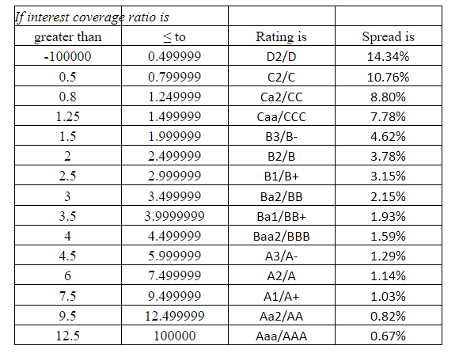
Interest coverage Ratio of SunPharma
For 2022
EBITDA | 6,752.41
Interest | 127.35
Interest Coverage Ratio | 53.02

Interest coverage Ratio of Pfizer
For 2022
EBITDA | 898.59
Interest | 10.70
Interest Coverage Ratio | 83.98

Interest coverage Ratio of Dr Reddy
For 2022
EBITDA | 4,322.40
Interest | 95.80
Interest Coverage Ratio | 45.12

Regression_DR_Reddy
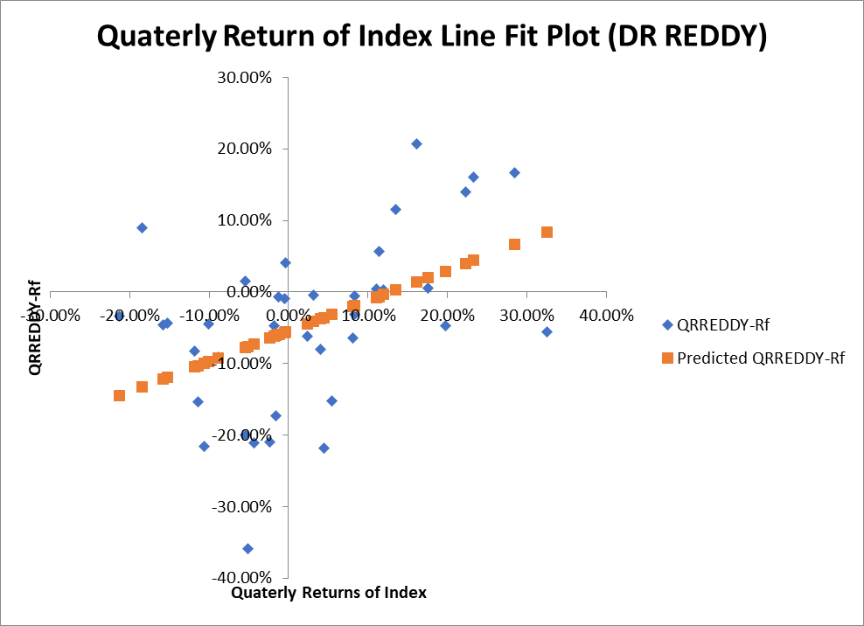
SUMMARY OUTPUT

Regression Statistics |  |  |  | R Square (Systematic Risk) |  | 0.211748
Multiple R | 0.46016 |  |  | 1-R Square (Unsystematic Risk) |  | 0.788252
R Square | 0.211748 |  |  | Beta |  | 0.423626
Adjusted R Square | 0.190443
Standard Error | 0.10782
Observations | 39

ANOVA
 | df | SS | MS | F | Significance F
Regression | 1 | 0.115545 | 0.115545 | 9.939277 | 0.003203
Residual | 37 | 0.43013 | 0.011625
Total | 38 | 0.545675

 | Coefficients | Standard Error | t Stat | P-value | Lower 95% | Upper 95% | Lower 95.0% | Upper 95.0%
Intercept | -0.05452 | 0.017599 | -3.09787 | 0.00371 | -0.09018 | -0.01886 | -0.09018 | -0.01886
Quaterly Returns of Index | 0.423626 | 0.134371 | 3.152662 | 0.003203 | 0.151365 | 0.695887 | 0.151365 | 0.695887

RESIDUAL OUTPUT |  |  |  | PROBABILITY OUTPUT

Observation | Predicted QRREDDY-Rf | Residuals |  | Percentile | QRREDDY-Rf
1 | 0.044228 | 0.116472 |  | 1.282051 | -0.3592
2 | -0.00368 | 0.006984 |  | 3.846154 | -0.218
3 | -0.0413 | 0.036502 |  | 6.410256 | -0.216
4 | 0.083328 | -0.13913 |  | 8.974359 | -0.2115
5 | -0.119 | 0.074895 |  | 11.53846 | -0.2093
6 | 0.039822 | 0.100478 |  | 14.10256 | -0.2004
7 | -0.04452 | -0.01768 |  | 16.66667 | -0.1727
8 | 0.020123 | -0.01532 |  | 19.23077 | -0.1536
9 | 0.029062 | -0.07626 |  | 21.79487 | -0.1519
10 | -0.13255 | 0.221751 |  | 24.35897 | -0.0912
11 | -0.07617 | -0.28303 |  | 26.92308 | -0.0825
12 | -0.09218 | 0.00098 |  | 29.48718 | -0.0806
13 | -0.05592 | 0.096717 |  | 32.05128 | -0.064
14 | -0.03156 | -0.12034 |  | 34.61538 | -0.0622
15 | -0.10442 | 0.021923 |  | 37.17949 | -0.0619
16 | -0.03563 | -0.18237 |  | 39.74359 | -0.0558
17 | -0.12162 | 0.076022 |  | 42.30769 | -0.0473
18 | -0.07312 | -0.13838 |  | 44.87179 | -0.0472
19 | -0.01915 | -0.01215 |  | 47.4359 | -0.0456
20 | -0.09959 | -0.11641 |  | 50 | -0.0447
21 | -0.0075 | 0.011797 |  | 52.5641 | -0.0441
22 | -0.00644 | 0.063338 |  | 55.12821 | -0.0339
23 | -0.14475 | 0.110852 |  | 57.69231 | -0.0313
24 | -0.05977 | 0.053172 |  | 60.25641 | -0.0095
25 | -0.10298 | -0.05062 |  | 62.82051 | -0.0066
26 | -0.05681 | 0.047307 |  | 65.38462 | -0.0055
27 | -0.0191 | 0.013604 |  | 67.94872 | -0.0048
28 | -0.07756 | 0.092465 |  | 70.51282 | 0.0033
29 | 0.066044 | 0.101056 |  | 73.07692 | 0.0043
30 | 0.013642 | 0.192958 |  | 75.64103 | 0.0048
31 | -0.02012 | -0.04388 |  | 78.20513 | 0.0149
32 | -0.06443 | -0.14487 |  | 80.76923 | 0.0408
33 | 0.002628 | 0.113072 |  | 83.33333 | 0.0569
34 | -0.06121 | -0.11149 |  | 85.89744 | 0.0892
35 | -0.05952 | -0.00238 |  | 88.46154 | 0.1157
36 | -0.07773 | -0.12267 |  | 91.02564 | 0.1403
37 | -0.09731 | 0.052606 |  | 93.58974 | 0.1607
38 | -0.03757 | -0.04303 |  | 96.15385 | 0.1671
39 | -0.06236 | 0.015057 |  | 98.71795 | 0.2066

Regression_Pfizer
SUMMARY OUTPUT
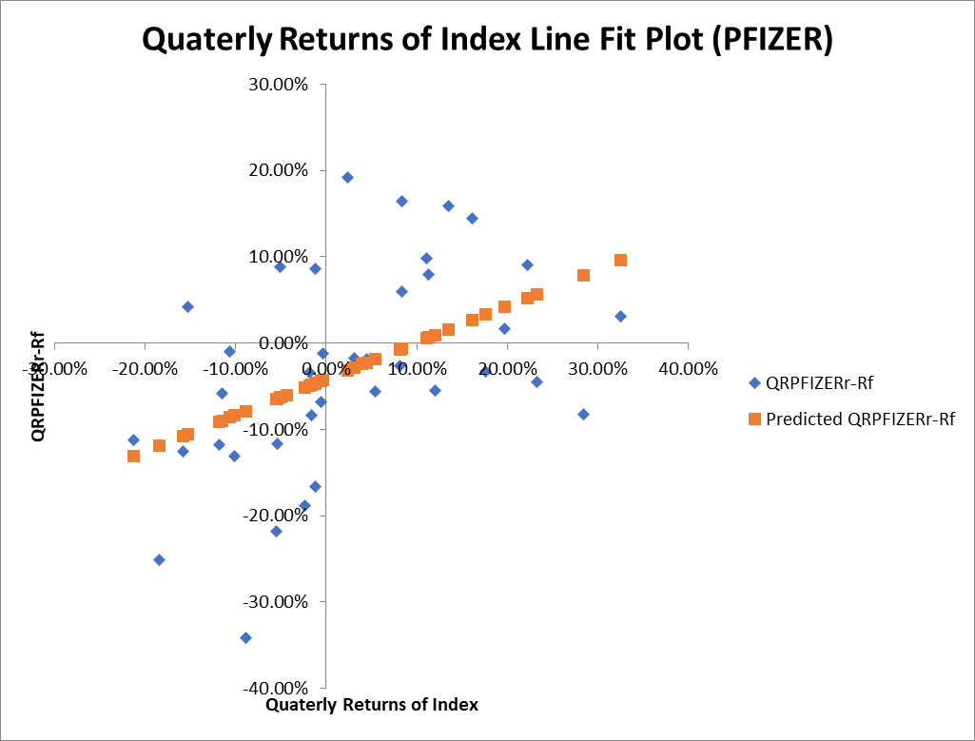
Regression Statistics |  |  |  | R Square (Systematic Risk) |  | 0.219828
Multiple R | 0.468858 |  |  | 1-R Square (Unsystematic Risk) |  | 0.780172
R Square | 0.219828 |  |  | Beta |  | 0.421294
Adjusted R Square | 0.198742
Standard Error | 0.104697
Observations | 39

ANOVA
 | df | SS | MS | F | Significance F
Regression | 1 | 0.114277 | 0.114277 | 10.42543 | 0.002607
Residual | 37 | 0.40557 | 0.010961
Total | 38 | 0.519847

 | Coefficients | Standard Error | t Stat | P-value | Lower 95% | Upper 95% | Lower 95.0% | Upper 95.0%
Intercept | -0.04144 | 0.017089 | -2.42506 | 0.020305 | -0.07607 | -0.00682 | -0.07607 | -0.00682
Quaterly Returns of Index | 0.421294 | 0.130478 | 3.228843 | 0.002607 | 0.15692 | 0.685668 | 0.15692 | 0.685668

RESIDUAL OUTPUT |  |  |  | PROBABILITY OUTPUT

Observation | Predicted QRPFIZERr-Rf | Residuals |  | Percentile | QRPFIZERr-Rf
1 | 0.056761 | -0.10156 |  | 1.282051 | -0.3413
2 | 0.009113 | -0.06391 |  | 3.846154 | -0.251
3 | -0.0283 | 0.011098 |  | 6.410256 | -0.218
4 | 0.095647 | -0.06485 |  | 8.974359 | -0.1883
5 | -0.10556 | 0.147263 |  | 11.53846 | -0.1662
6 | 0.05238 | 0.03852 |  | 14.10256 | -0.1309
7 | -0.0315 | 0.2232 |  | 16.66667 | -0.1255
8 | 0.03279 | -0.06559 |  | 19.23077 | -0.1176
9 | 0.041679 | -0.02508 |  | 21.79487 | -0.1162
10 | -0.11904 | -0.13196 |  | 24.35897 | -0.1126
11 | -0.06297 | 0.15157 |  | 26.92308 | -0.0832
12 | -0.0789 | -0.2624 |  | 29.48718 | -0.0821
13 | -0.04283 | 0.030833 |  | 32.05128 | -0.0686
14 | -0.01861 | -0.03689 |  | 34.61538 | -0.0616
15 | -0.09107 | -0.02653 |  | 37.17949 | -0.0585
16 | -0.02265 | 0.004253 |  | 39.74359 | -0.0555
17 | -0.10818 | -0.01732 |  | 42.30769 | -0.0548
18 | -0.05994 | -0.00166 |  | 44.87179 | -0.0448
19 | -0.00626 | 0.065764 |  | 47.4359 | -0.034
20 | -0.08627 | 0.076568 |  | 50 | -0.0328
21 | 0.005321 | 0.093279 |  | 52.5641 | -0.0259
22 | 0.006375 | 0.072825 |  | 55.12821 | -0.023
23 | -0.13118 | 0.018578 |  | 57.69231 | -0.0184
24 | -0.04667 | 0.132266 |  | 60.25641 | -0.0172
25 | -0.08964 | 0.031138 |  | 62.82051 | -0.012
26 | -0.04372 | -0.02488 |  | 65.38462 | -0.0097
27 | -0.00622 | 0.170622 |  | 67.94872 | 0.0166
28 | -0.06436 | -0.05184 |  | 70.51282 | 0.0308
29 | 0.078458 | -0.16056 |  | 73.07692 | 0.0417
30 | 0.026344 | 0.118356 |  | 75.64103 | 0.0595
31 | -0.00723 | -0.01867 |  | 78.20513 | 0.0792
32 | -0.0513 | -0.137 |  | 80.76923 | 0.0856
33 | 0.01539 | 0.14301 |  | 83.33333 | 0.0886
34 | -0.0481 | -0.0351 |  | 85.89744 | 0.0909
35 | -0.04641 | -0.11979 |  | 88.46154 | 0.0986
36 | -0.06453 | -0.15347 |  | 91.02564 | 0.1447
37 | -0.08399 | -0.04691 |  | 93.58974 | 0.1584
38 | -0.02459 | 0.001591 |  | 96.15385 | 0.1644
39 | -0.04924 | 0.015236 |  | 98.71795 | 0.1917

Regression_SunPharma
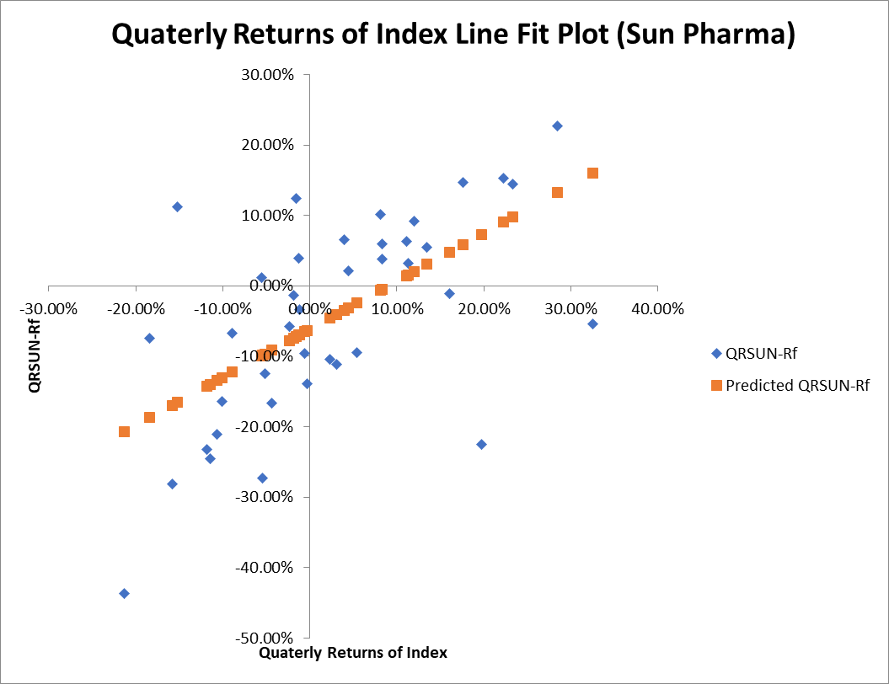
SUMMARY OUTPUT

Regression Statistics |  |  |  | R Square (Systematic Risk) |  | 0.370399135
Multiple R | 0.608604252 |  |  | 1-R Square (Unsystematic Risk) |  | 0.629600865
R Square | 0.370399135 |  |  | Beta |  | 0.681993774
Adjusted R Square | 0.353382895
Standard Error | 0.117292731
Observations | 39

ANOVA
 | df | SS | MS | F | Significance F
Regression | 1 | 0.299467 | 0.299467 | 21.76739 | 3.94E-05
Residual | 37 | 0.509031 | 0.013758
Total | 38 | 0.808497

 | Coefficients | Standard Error | t Stat | P-value | Lower 95% | Upper 95% | Lower 95.0% | Upper 95.0%
Intercept | -0.061701196 | 0.019145 | -3.2228 | 0.00265 | -0.10049 | -0.02291 | -0.10049 | -0.02291
Quaterly Returns of Index | 0.681993774 | 0.146176 | 4.665554 | 3.94E-05 | 0.385812 | 0.978175 | 0.385812 | 0.978175

RESIDUAL OUTPUT |  |  |  | PROBABILITY OUTPUT

Observation | Predicted QRSUN-Rf | Residuals |  | Percentile | QRSUN-Rf
1 | 0.097271553 | 0.046628 |  | 1.282051 | -0.4373
2 | 0.020138057 | 0.072162 |  | 3.846154 | -0.2811
3 | -0.04042299 | -0.07138 |  | 6.410256 | -0.2725
4 | 0.160219578 | -0.21472 |  | 8.974359 | -0.2449
5 | -0.165500648 | 0.278001 |  | 11.53846 | -0.2319
6 | 0.090178818 | 0.062521 |  | 14.10256 | -0.2249
7 | -0.045606143 | -0.05819 |  | 16.66667 | -0.2102
8 | 0.058466107 | 0.088334 |  | 19.23077 | -0.1664
9 | 0.072856176 | -0.29776 |  | 21.79487 | -0.1638
10 | -0.187324449 | 0.112924 |  | 24.35897 | -0.1392
11 | -0.096551078 | -0.02795 |  | 26.92308 | -0.1245
12 | -0.122330442 | 0.05483 |  | 29.48718 | -0.1118
13 | -0.063951775 | -0.07525 |  | 32.05128 | -0.1038
14 | -0.024737133 | -0.06966 |  | 34.61538 | -0.0964
15 | -0.142040062 | -0.08986 |  | 37.17949 | -0.0944
16 | -0.031284273 | 0.052284 |  | 39.74359 | -0.0744
17 | -0.16972901 | -0.11137 |  | 42.30769 | -0.0675
18 | -0.091640722 | -0.07476 |  | 44.87179 | -0.0581
19 | -0.004754716 | 0.064055 |  | 47.4359 | -0.0545
20 | -0.134265333 | -0.07593 |  | 50 | -0.0343
21 | 0.014000113 | 0.049 |  | 52.5641 | -0.0137
22 | 0.015705098 | 0.016895 |  | 55.12821 | -0.0108
23 | -0.20696587 | -0.23033 |  | 57.69231 | 0.0112
24 | -0.070157919 | 0.109258 |  | 60.25641 | 0.021
25 | -0.139721284 | -0.10518 |  | 62.82051 | 0.0326
26 | -0.065383962 | -0.03102 |  | 65.38462 | 0.0377
27 | -0.004686516 | 0.042387 |  | 67.94872 | 0.0391
28 | -0.098801657 | -0.1737 |  | 70.51282 | 0.0548
29 | 0.132394232 | 0.094806 |  | 73.07692 | 0.0593
30 | 0.048031603 | -0.05883 |  | 75.64103 | 0.063
31 | -0.006323301 | 0.107623 |  | 78.20513 | 0.0656
32 | -0.07765985 | 0.01956 |  | 80.76923 | 0.0923
33 | 0.030299764 | 0.0245 |  | 83.33333 | 0.1013
34 | -0.072476697 | 0.196977 |  | 85.89744 | 0.1125
35 | -0.069748722 | 0.035449 |  | 88.46154 | 0.1245
36 | -0.099074455 | 0.110274 |  | 91.02564 | 0.1439
37 | -0.130582567 | -0.03322 |  | 93.58974 | 0.1468
38 | -0.034421445 | 0.100021 |  | 96.15385 | 0.1527
39 | -0.074318081 | 0.060618 |  | 98.71795 | 0.2272

WACC
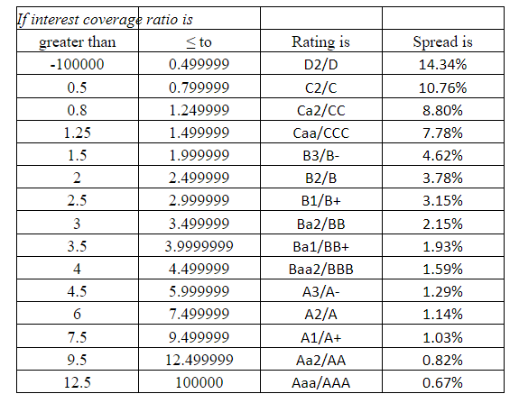
Data of SunPharma |  | Interest Coverage Ratio
IERP | 1.998% | 53.02
Return Risk free | 6.87%
Beta | 0.68 | Cost of Debt= Rf + Spread | 7.54%
Cost of equity | 8.23%
Cost of Debt | 7.40%
Debt to equity ratio | 0.20 | Tax rate (current) | 24.00%
Weight of Debt | 16.67%
Weight of Equity | 83.33%
WACC | 7.798%

Data of Pfizer |  | Interest Coverage Ratio
IERP | 1.998% | 83.98
Return Risk free | 6.87%
Beta | 0.421 | Cost of Debt= Rf + Spread | 7.54%
Cost of equity | 7.71%
Cost of Debt | 7.40%
Debt to equity ratio | 0.00 | Tax rate (current) | 20.74%
Weight of Debt | 0.00%
Weight of Equity | 100.00%
WACC | 7.712%

Data of Dr Reddy |  | Interest Coverage Ratio
IERP | 1.998% | 45.12
Return Risk free | 6.87%
Beta | 0.424 | Cost of Debt= Rf + Spread | 7.54%
Cost of equity | 7.72%
Cost of Debt | 7.40%
Debt to equity ratio | 0.12 | Tax rate (current) | 28.71%
Weight of Debt | 10.71%
Weight of Equity | 89.29%
WACC | 7.455%

